About
ALECA Aircraft Local Emissions Calculator for Airports
About | v2.2620

ALECA is a stand-alone emission calculation tool for all aircraft related emission sources at an airport, covering the substances NOx, HC, CO, PM (mass), nvPM (number), SOx and CO2.
It has initially been developed by Flughafen Zürich AG, Environmental Department (09/2018-01/2019, updated 2026).
It is designed to allow for time series by e.g. completing a study every year and copy the results into a separate application; however, the emission factors remain static. It is also suited for scenario calculations with changes in fleet mix, movements, fuel, etc.
ALECA does not contain any stationary sources (generators, boilers, construction, etc) or any road vehicle emissions (airside or landside). It does not provide any temporal or spatial discrimination of the emissions.

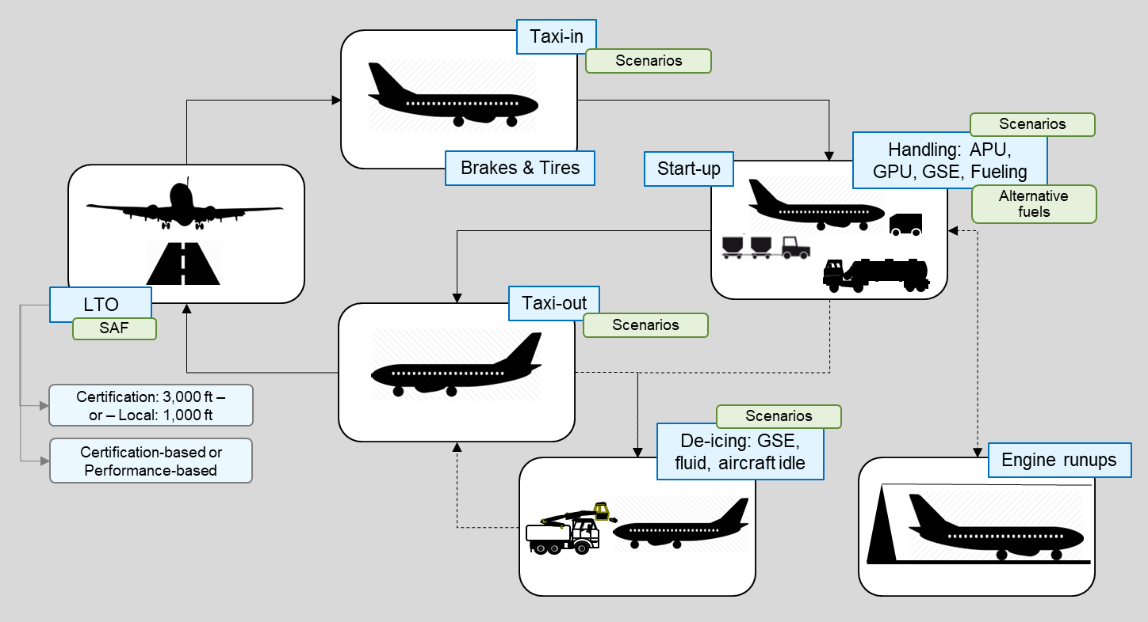 Sources overview:
Methodologies and References

Aircraft: | The ICAO Certification LTO-cycle is calculated for jets with engines >26.7 kN thrust. Calculations can also made performance based.
 | For other engine types (smaller jets, turboprops, piston and helicopters) other LTO definitions for thrust/power and time in mode are used.
 | For helicopters, the Swiss FOCA 2015 Guidance has been applied.
 | Taxi-times are variable according to aircraft Code; for helicopters, a standard LTO is assumed.
 | Emission factors are from ICAO (for all regulated engines) and the Swiss Federal Office for Civil Aviation (for all other engines).
 | Main engine startup emissions are calculated according to ICAO Doc 9889.
 | Aircraft brake and tire emissions (particulate matter) are calculated using Zurich Airport defaults.
 | All aircraft movements are grouped into groups as being used in LASPORT (for handling, brakes and de-icing emissions estimation).
Fuel Specs: | Sustainable Fuel percentage is applied to aircraft main engines, APU and aircraft maintenance.
APU: | APU emissions are calculated according to ICAO Doc 9889 (start-up, normal running, MES).
 | The minimum usage of APU (for MES) is always considered, even of the other operating times are set to 0.
 | Emission factors are from ICAO Doc 9889, not using the categories "older".

GPU: | Emission factors are derived from available information from airports and subsequently used in LASPORT.
GSE: | Emissions include all vehicle and machinery emissions at the aircraft stand during the servicing of the aircraft; it does not include any airside vehicle or additional road emissions.
 | Option 1 uses a fuel approach as specified in ICAO Doc 9889; tPN data has been derived separately (measurements).
 | Option 2 uses an aircraft group approach with total emissions per aircraft group; The factors are derived from ZRH (see www.zurich-airport.com) through a bottom-up model approach.
De-icing: | Emissions include de-icing vehicle engine emissions plus the VOC and CO2 emissions from aircraft deicing fluid applied to the aircraft, using a 3-year average dataset from ZRH. Also includes extra engine idle of aircraft. The emissions are aircraft group dependent.
 | The emission factors are derived from industry information.
Aircraft Fuelling: | Emissions are the fugitive emissions of Jet A-1 and AVGAS when fuelling the aircraft (either through pits or trucks). Emission factors were obtained from industry and measurements at Zurich Airport in the 1990.
Maintenance: | The following group/aircraft definitions have been used: Large=B777; Medium=A330; Small=A320; Regional=CRJ900; Turpoprop=PA46. Thrust setting is taken as "idle", but a factor is applied as engine run-ups are often performed at more then idle thrust. The same engine is used as listed in the detailed aircraft table. Potential SAF is considered.
Results: | The KPI on the per Capita CO2 emissions is derived from: Worldbank: World Development Indicators, 2024.

Terms and Abbreviations

400Hz | Electricity for aircraft, mostly for ground times.
ALECA | Aircraft Local Emission Calculator for Airports
APU | Auxiliary Power Unit (built in aircraft, Jet A-1 powered).
AVGAS | Aviation Gasoline for aircraft [CO2-factor: 3.05 kg/kg fuel]
CNG | Compressed Natural Gas
GGE | Gasoline Gallon Equivalent (for CNG)
GPU | Ground Power Unit (usually, mobile, diesel powered)
GSE | Ground Support (or Service) Equipment
Jet A-1 | Kerosene for aircraft. [CO2-factor: 3.16 kg/kg fuel]
LASPORT | Lagrangian Emission and Dispersion Model for Airports (see www.janicke.de).
LTO | Landing and Take-off cycle (=2 movements)
MES | Main Engine Start (using the APU)
Mvmt | Movements (used for aircraft)
nvPM | non-volatile Particle Matter (mass)
nvPN | non-volatile Particle Mass (number)
PCA | Pre-conditioned air for aircraft, mostly during ground time.
PM | Particle Matter (all sizes)
SET | Single Engine Taxi (I=In, O=Out)
tPM | total particle matter (the sum of volatile and non-volatile PM)
TU | Traffic Unit (=1 pax or 100 kg cargo)

Software License Agreement

By using ALECA, users agree to the ALECA software license agreement. ALECA should not be used in place of any model required by local regulation.

